MS A0100
University | Ecole Centrale de Lyon |  |  | Back to BOM |  |  |  |  | Car # | 81 |  | Asm Cost | $113.77
System | Miscellaneous, Finish & Assembly |  |  |  |  |  |  |  |  |  |  | Qty | 1
Assembly | Firewall |  |  |  |  |  |  |  | FileLink1
P/N Base | MS A0100 |  |  |  |  |  |  |  | FileLink2 |  |  | Extended Cost | $113.77
Suffix | AA |  |  |  |  |  |  |  | FileLink3
Details | The assembly of the Firewall

ItemOrder | Part | Part Cost | Quantity | Sub Total
10 | Firewall Up | $9.27 | 1 | $9.27
20 | Firewall Middle | $7.54 | 1 | $7.54
30 | Firewall Bottom | $11.14 | 1 | $11.14
40 | Firewall Upper Side | $3.17 | 2 | $6.34
50 | Firewall Middle Side | $2.15 | 2 | $4.30
60 | Firewall Lower Side | $4.08 | 2 | $8.15
70 | Firewall Up Bracket | $0.62 | 4 | $2.47
80 | Firewall Middle, Bottom and Sides Bracket | $0.38 | 24 | $9.10
 |  |  | Sub Total | $58.30

ItemOrder | Material | Use | UnitCost | Size1 | Unit1 | Size2 | Unit2 | Area Name | Area | Length | Density | Quantity | Sub Total
10 | Paint | Painting the Firewall Up Brackets | $10.00 | 4.09E-03 | m^2 |  |  |  |  |  |  | 4.09E-03 | $0.04
20 | Paint | Painting the Firewall Middle, Bottom and Sides Brackets | $10.00 | 0.0245 | m^2 |  |  |  |  |  |  | 0.0245 | $0.25
30 | Tape | Aluminum tape | $- | 5.00 | m |  |  |  |  |  |  | 5.00 | $-
 |  |  |  |  |  |  |  |  |  |  |  | Sub Total | $0.29

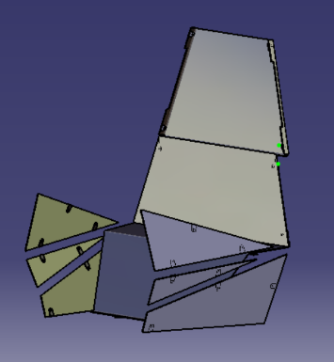
ItemOrder | Process | Use | UnitCost | Unit | Quantity | Multiplier | Mult. Val. | Sub Total
10 | Weld | Welding the Firewall Up Brackets on the chassis | $0.15 | cm | 16 |  |  | $2.40
20 | Weld | Welding the Firewall Middle, Bottom and Sides Brackets on the chassis | $0.15 | cm | 96 |  |  | $14.40
30 | Aerosol Apply | Painting the Firewall Up Brackets | $5.25 | m^2 | 4.09E-03 |  |  | $0.02
40 | Aerosol Apply | Painting the Firewall Middle, Bottom and Sides Brackets | $5.25 | m^2 | 0.0245 |  |  | $0.13
50 | Assemble, 1 kg, Loose | Positioning the Firewall Middle Plate on the Brackets | $0.06 | unit | 1 |  |  | $0.06
60 | Ratchet <= 6.35 mm | Fixing the Firewall Middle Plate to the Brackets | $0.50 | unit | 4 |  |  | $2.00
70 | Reaction Tool <= 25.4 mm | Fixing the Firewall Middle Plate to the Brackets | $0.25 | unit | 4 |  |  | $1.00
80 | Assemble, 1 kg, Loose | Positioning the Firewall Upper Plate on the Brackets | $0.06 | unit | 1 |  |  | $0.06
90 | Ratchet <= 6.35 mm | Fixing the Firewall Upper Plate to the Brackets | $0.50 | unit | 4 |  |  | $2.00
100 | Reaction Tool <= 25.4 mm | Fixing the Firewall Upper Plate to the Brackets | $0.25 | unit | 4 |  |  | $1.00
110 | Assemble, 3 kg, Loose | Positioning the Firewall Bottom Plate on the Brackets | $0.19 | unit | 1 |  |  | $0.19
120 | Ratchet <= 6.35 mm | Fixing the Firewall Bottom Plate to the Brackets | $0.50 | unit | 4 |  |  | $2.00
130 | Reaction Tool <= 25.4 mm | Fixing the Firewall Bottom Plate to the Brackets | $0.25 | unit | 4 |  |  | $1.00
140 | Assemble, 1 kg, Loose | Positioning the Firewall Upper left Side Plate on the Brackets | $0.06 | unit | 1 |  |  | $0.06
150 | Ratchet <= 6.35 mm | Fixing the Firewall Upper left Side Plate to the Brackets | $0.50 | unit | 3 |  |  | $1.50
160 | Reaction Tool <= 25.4 mm | Fixing the Firewall Upper left Side Plate to the Brackets | $0.25 | unit | 3 |  |  | $0.75
170 | Assemble, 1 kg, Loose | Positioning the Firewall Middle left Side Plate on the Brackets | $0.06 | unit | 1 |  |  | $0.06
180 | Ratchet <= 6.35 mm | Fixing the Firewall Middle left Side Plate to the Brackets | $0.50 | unit | 2 |  |  | $1.00
190 | Reaction Tool <= 25.4 mm | Fixing the Firewall Middle left Side Plate to the Brackets | $0.25 | unit | 2 |  |  | $0.50
200 | Assemble, 1 kg, Loose | Positioning the Firewall Lower left Side Plate on the Brackets | $0.06 | unit | 1 |  |  | $0.06
210 | Ratchet <= 6.35 mm | Fixing the Firewall Lower left Side Plate to the Brackets | $0.50 | unit | 3 |  |  | $1.50
220 | Reaction Tool <= 25.4 mm | Fixing the Firewall Lower left Side Plate to the Brackets | $0.25 | unit | 3 |  |  | $0.75
230 | Assemble, 1 kg, Loose | Positioning the Firewall Upper right Side Plate on the Brackets | $0.06 | unit | 1 |  |  | $0.06
240 | Ratchet <= 6.35 mm | Fixing the Firewall Upper right Side Plate to the Brackets | $0.50 | unit | 3 |  |  | $1.50
250 | Reaction Tool <= 25.4 mm | Fixing the Firewall Upper right Side Plate to the Brackets | $0.25 | unit | 3 |  |  | $0.75
260 | Assemble, 1 kg, Loose | Positioning the Firewall Middle right Side Plate on the Brackets | $0.06 | unit | 1 |  |  | $0.06
270 | Ratchet <= 6.35 mm | Fixing the Firewall Middle right Side Plate to the Brackets | $0.50 | unit | 2 |  |  | $1.00
280 | Reaction Tool <= 25.4 mm | Fixing the Firewall Middle right Side Plate to the Brackets | $0.25 | unit | 2 |  |  | $0.50
290 | Assemble, 1 kg, Loose | Positioning the Firewall Lower right Side Plate on the Brackets | $0.06 | unit | 1 |  |  | $0.06
300 | Ratchet <= 6.35 mm | Fixing the Firewall Lower right Side Plate to the Brackets | $0.50 | unit | 3 |  |  | $1.50
310 | Reaction Tool <= 25.4 mm | Fixing the Firewall Lower right Side Plate to the Brackets | $0.25 | unit | 3 |  |  | $0.75
320 | Tape | Sealing with aluminium tape | $0.80 | m | 5 |  |  | $4.00
 |  |  |  |  |  |  | Sub Total | $42.62

ItemOrder | Fastener | Use | UnitCost | Size1 | Unit1 | Size2 | Unit2 | Quantity | Sub Total
10 | Bolt, Grade 8.8 (SAE 5) | Fixing the Plates to the Brackets | $0.07 | 6 | mm | 30 | mm | 28 | $1.83
20 | Washer, Grade 8.8 (SAE 5) | Fixing the Plates to the Brackets | $0.01 |  |  |  |  | 56 | $0.56
30 | Nut, Grade 8.8 (SAE 5) | Fixing the Plates to the Brackets | $0.03 | 6 | mm |  |  | 28 | $0.84
 |  |  |  |  |  |  |  | Sub Total | $3.23

ItemOrder | Tooling | Use | UnitCost | Unit | Quantity | PVF | FractionIncluded | Sub Total
10 | Welds - Welding Fixture | Mounts welded to the chassis | $500.00 | point | 56 | 3000 | 1 | $9.33
 |  |  |  |  |  |  | Sub Total | $9.33

MS 01001
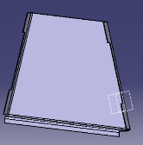
University | Ecole Centrale de Lyon |  |  |  |  | Back to BOM |  |  | Car # | 81 |  | Part Cost | $9.27
System | Miscellaneous, Finish & Assembly |  | FileLink1 | Drawing |  |  |  |  |  |  |  | Qty | 1
Assembly | Firewall |  | FileLink2 |  |  |  |  |  | FileLink1
Part | Firewall Up |  | FileLink3 |  |  |  |  |  | FileLink2 |  |  | Extended Cost | $9.27
P/N Base | MS 01001 |  |  |  |  |  |  |  | FileLink3
Suffix | AA
Details | Upper plate

ItemOrder | Material | Use | UnitCost | Size1 | Unit1 | Size2 | Unit2 | Area Name | Area | Length | Density | Quantity | Sub Total
10 | Aluminum, Normal (per kg) |  | $4.20 | 1.179 | kg |  |  | Frontal area | 0.2174 | 0.002 | 2712 | 1 | $4.95
 |  |  |  |  |  |  |  |  |  |  |  | Sub Total | $4.95

ItemOrder | Process | Use | UnitCost | Unit | Quantity | Multiplier | Mult. Val. | Sub Total
10 | Machining Setup, Install and remove |  | $1.30 | unit | 1 |  |  | $1.30
20 | Laser Cut |  | $0.01 | cm | 201.24 | Material - Aluminum | 1 | $2.01
30 | Sheet metal bends |  | $0.25 | bend | 4 |  |  | $1.00
 |  |  |  |  |  |  | Sub Total | $4.31

dMS 01001
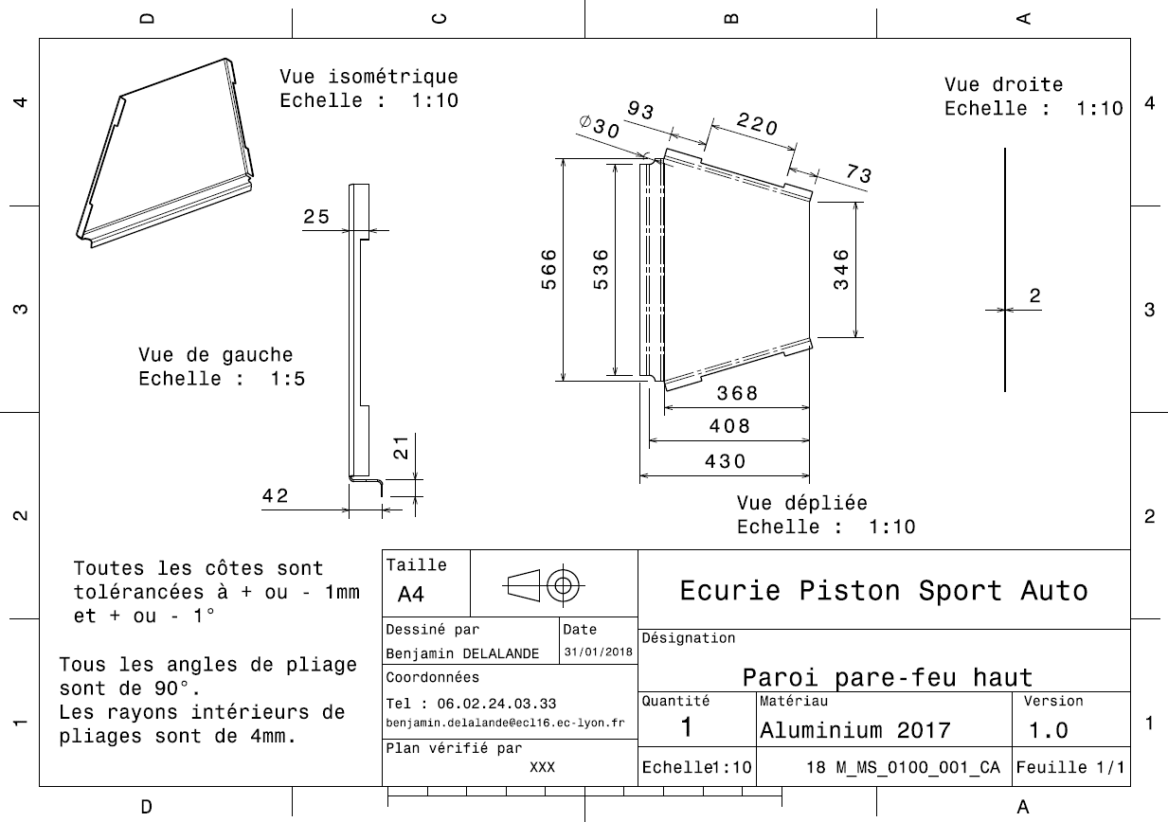
Drawing part : | MS 01001

MS 01002
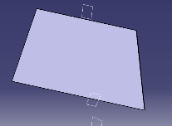
University | Ecole Centrale de Lyon |  |  |  |  | Back to BOM |  |  | Car # | 81 |  | Part Cost | $7.54
System | Miscellaneous, Finish & Assembly |  | FileLink1 | Drawing |  |  |  |  |  |  |  | Qty | 1
Assembly | Firewall |  | FileLink2 |  |  |  |  |  | FileLink1
Part | Firewall Middle |  | FileLink3 |  |  |  |  |  | FileLink2 |  |  | Extended Cost | $7.54
P/N Base | MS 01002 |  |  |  |  |  |  |  | FileLink3
Suffix | AA
Details | Middle plate

ItemOrder | Material | Use | UnitCost | Size1 | Unit1 | Size2 | Unit2 | Area Name | Area | Length | Density | Quantity | Sub Total
10 | Aluminum, Normal (per kg) |  | $4.20 | 1.023 | kg |  |  | Frontal area | 0.1885 | 0.002 | 2712 | 1 | $4.30
 |  |  |  |  |  |  |  |  |  |  |  | Sub Total | $4.30

ItemOrder | Process | Use | UnitCost | Unit | Quantity | Multiplier | Mult. Val. | Sub Total
10 | Machining Setup, Install and remove |  | $1.30 | unit | 1 |  |  | $1.30
20 | Laser Cut |  | $0.01 | cm | 194.74 | Material - Aluminum | 1 | $1.95
 |  |  |  |  |  |  | Sub Total | $3.25

dMS 01002
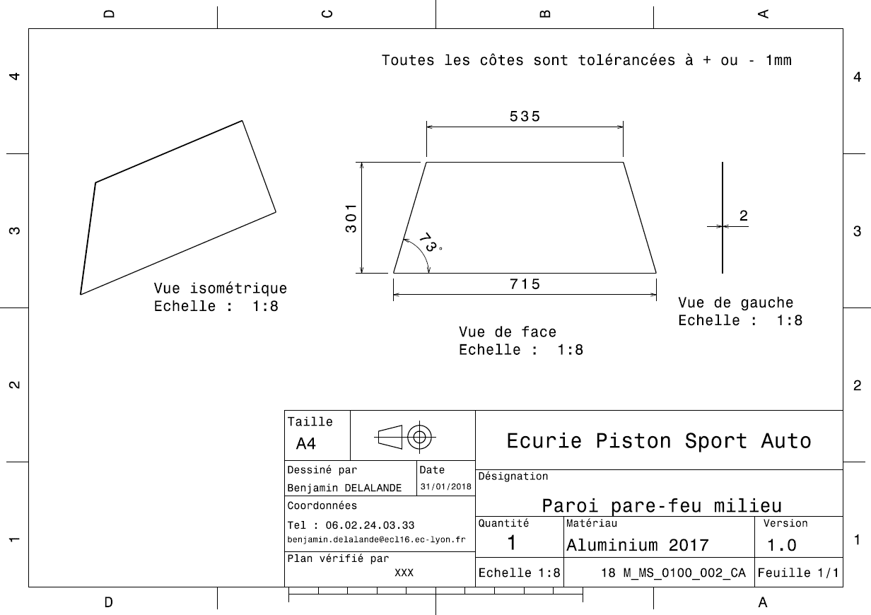
Drawing part : | MS 01002

MS 01003
University | Ecole Centrale de Lyon |  |  |  |  | Back to BOM |  |  | Car # | 81 |  | Part Cost | $11.14
System | Miscellaneous, Finish & Assembly |  | FileLink1 | Drawing |  |  |  |  |  |  |  | Qty | 1
Assembly | Firewall |  | FileLink2 |  |  |  |  |  | FileLink1
Part | Firewall Bottom |  | FileLink3 |  |  |  |  |  | FileLink2 |  |  | Extended Cost | $11.14
P/N Base | MS 01003 |  |  |  |  |  |  |  | FileLink3
Suffix | AA
Details | Lower plate

ItemOrder | Material | Use | UnitCost | Size1 | Unit1 | Size2 | Unit2 | Area Name | Area | Length | Density | Quantity | Sub Total
10 | Aluminum, Normal (per kg) |  | $4.20 | 1.626 | kg |  |  | Frontal area | 0.2997 | 0.002 | 2712 | 1 | $6.83
 |  |  |  |  |  |  |  |  |  |  |  | Sub Total | $6.83
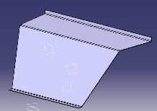
ItemOrder | Process | Use | UnitCost | Unit | Quantity | Multiplier | Mult. Val. | Sub Total
10 | Machining Setup, Install and remove |  | $1.30 | unit | 1 |  |  | $1.30
20 | Laser Cut |  | $0.01 | cm | 226.34 | Material - Aluminum | 1 | $2.26
30 | Sheet metal bends |  | $0.25 | bend | 3 |  |  | $0.75
 |  |  |  |  |  |  | Sub Total | $4.31

dMS 01003
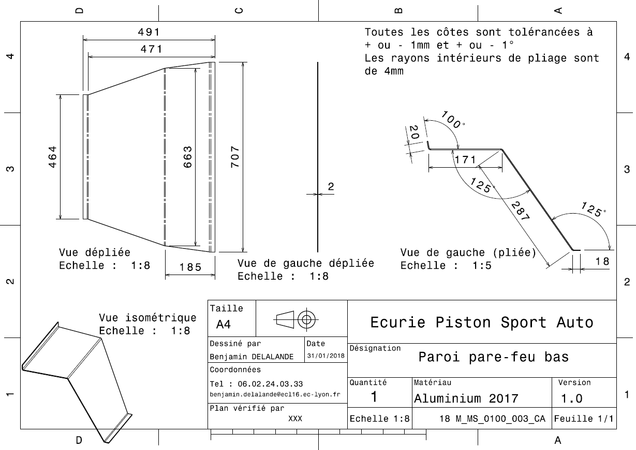
Drawing Part : | MS 01003

MS 01004
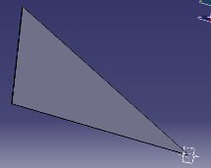
University | Ecole Centrale de Lyon |  |  |  |  | Back to BOM |  |  | Car # | 81 |  | Part Cost | $3.17
System | Miscellaneous, Finish & Assembly |  | FileLink1 | Drawing |  |  |  |  |  |  |  | Qty | 2
Assembly | Firewall |  | FileLink2 |  |  |  |  |  | FileLink1
Part | Firewall Upper Side |  | FileLink3 |  |  |  |  |  | FileLink2 |  |  | Extended Cost | $6.34
P/N Base | MS 01004 |  |  |  |  |  |  |  | FileLink3
Suffix | AA
Details | Upper side plate

ItemOrder | Material | Use | UnitCost | Size1 | Unit1 | Size2 | Unit2 | Area Name | Area | Length | Density | Quantity | Sub Total
10 | Aluminum, Normal (per kg) |  | $4.20 | 0.296 | kg |  |  | Frontal area | 0.0546 | 0.002 | 2712 | 1 | $1.24
 |  |  |  |  |  |  |  |  |  |  |  | Sub Total | $1.24

ItemOrder | Process | Use | UnitCost | Unit | Quantity | Multiplier | Mult. Val. | Sub Total
10 | Machining Setup, Install and remove |  | $1.30 | unit | 1 | 2 parts made from the same plate | 0.5 | $0.65
20 | Laser Cut |  | $0.01 | cm | 127.57 | Material - Aluminum | 1 | $1.28
 |  |  |  |  |  |  | Sub Total | $1.93

dMS 01004
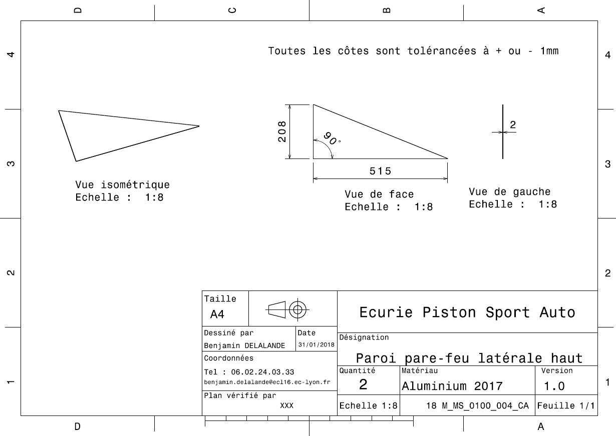
Drawing Part : | MS 01004

MS 01005
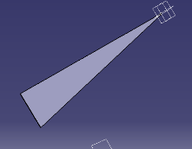
University | Ecole Centrale de Lyon |  |  |  |  | Back to BOM |  |  | Car # | 81 |  | Part Cost | $2.15
System | Miscellaneous, Finish & Assembly |  | FileLink1 | Drawing |  |  |  |  |  |  |  | Qty | 2
Assembly | Firewall |  | FileLink2 |  |  |  |  |  | FileLink1
Part | Firewall Middle Side |  | FileLink3 |  |  |  |  |  | FileLink2 |  |  | Extended Cost | $4.30
P/N Base | MS 01005 |  |  |  |  |  |  |  | FileLink3
Suffix | AA
Details | Middle side plate

ItemOrder | Material | Use | UnitCost | Size1 | Unit1 | Size2 | Unit2 | Area Name | Area | Length | Density | Quantity | Sub Total
10 | Aluminum, Normal (per kg) |  | $4.20 | 0.122 | kg |  |  | Frontal area | 2.24E-02 | 0.002 | 2712 | 1 | $0.51
 |  |  |  |  |  |  |  |  |  |  |  | Sub Total | $0.51

ItemOrder | Process | Use | UnitCost | Unit | Quantity | Multiplier | Mult. Val. | Sub Total
10 | Machining Setup, Install and remove |  | $1.30 | unit | 1 | 2 parts made from the same plate | 0.5 | $0.65
20 | Laser Cut |  | $0.01 | cm | 98.79 | Material - Aluminum | 1 | $0.99
 |  |  |  |  |  |  | Sub Total | $1.64

dMS 01005
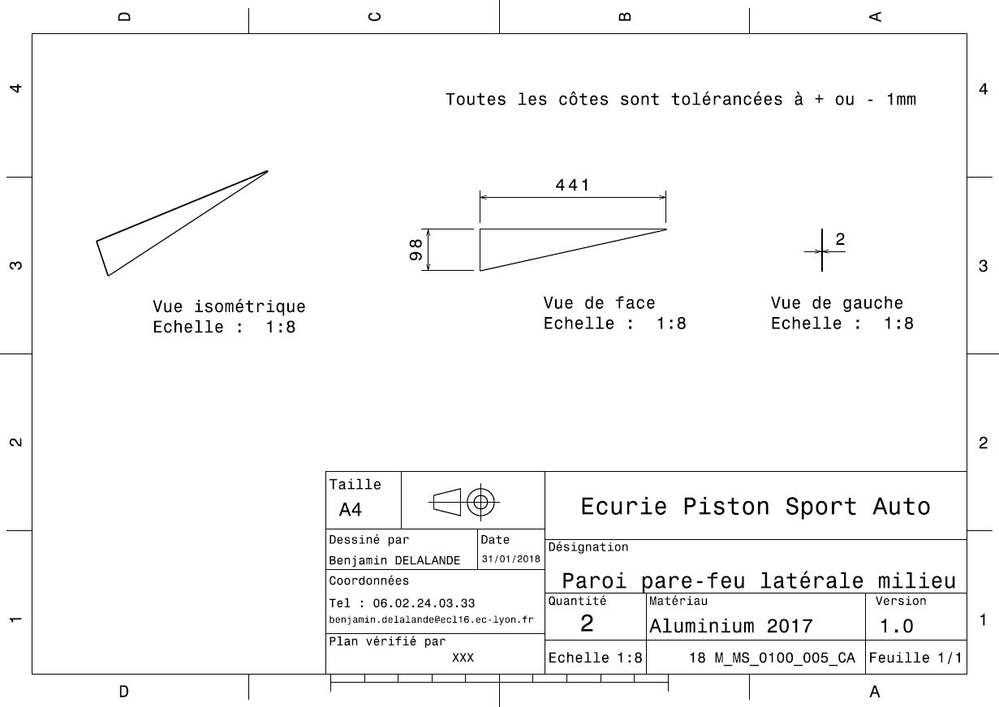
Drawing Part : | MS 01005

MS 01006
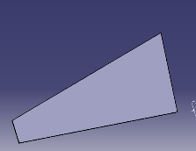
University | Ecole Centrale de Lyon |  |  |  |  | Back to BOM |  |  | Car # | 81 |  | Part Cost | $4.08
System | Miscellaneous, Finish & Assembly |  | FileLink1 | Drawing |  |  |  |  |  |  |  | Qty | 2
Assembly | Firewall |  | FileLink2 |  |  |  |  |  | FileLink1
Part | Firewall Lower Side |  | FileLink3 |  |  |  |  |  | FileLink2 |  |  | Extended Cost | $8.15
P/N Base | MS 01006 |  |  |  |  |  |  |  | FileLink3
Suffix | AA
Details | Lower side plate

ItemOrder | Material | Use | UnitCost | Size1 | Unit1 | Size2 | Unit2 | Area Name | Area | Length | Density | Quantity | Sub Total
10 | Aluminum, Normal (per kg) |  | $4.20 | 0.473 | kg |  |  | frontal area | 8.72E-02 | 0.002 | 2712 | 1 | $1.99
 |  |  |  |  |  |  |  |  |  |  |  | Sub Total | $1.99

ItemOrder | Process | Use | UnitCost | Unit | Quantity | Multiplier | Mult. Val. | Sub Total
10 | Machining Setup, Install and remove |  | $1.30 | unit | 1 | 2 parts made from the same plate | 0.5 | $0.65
20 | Laser Cut |  | $0.01 | cm | 143.94 | Material - Aluminum | 1 | $1.44
 |  |  |  |  |  |  | Sub Total | $2.09

dMS 01006
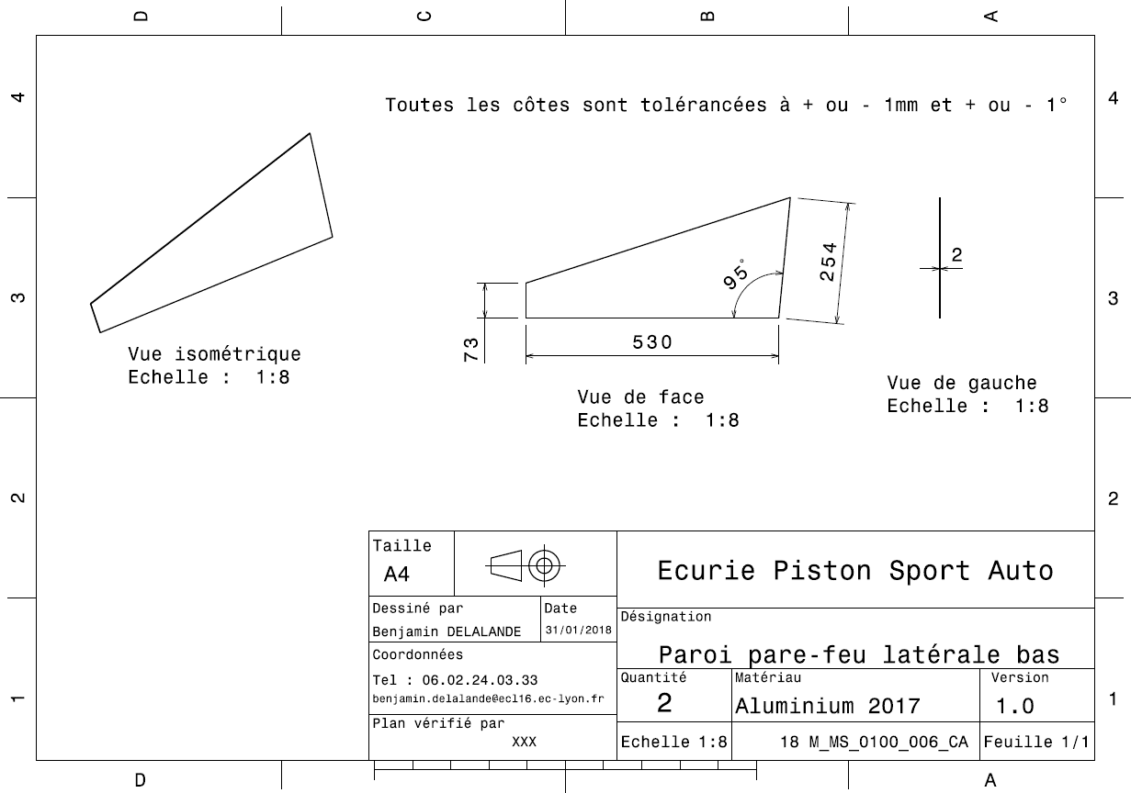
Drawing Part : | MS 01006

MS 01007
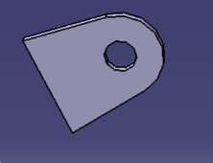
University | Ecole Centrale de Lyon |  |  |  |  | Back to BOM |  |  | Car # | 81 |  | Part Cost | $0.62
System | Miscellaneous, Finish & Assembly |  | FileLink1 | Drawing |  |  |  |  |  |  |  | Qty | 4
Assembly | Firewall |  | FileLink2 |  |  |  |  |  | FileLink1
Part | Firewall Up Bracket |  | FileLink3 |  |  |  |  |  | FileLink2 |  |  | Extended Cost | $2.47
P/N Base | MS 01007 |  |  |  |  |  |  |  | FileLink3
Suffix | AA
Details | Bracket for the upper plate

ItemOrder | Material | Use | UnitCost | Size1 | Unit1 | Size2 | Unit2 | Area Name | Area | Length | Density | Quantity | Sub Total
10 | Steel, Alloy (kg) |  | $2.25 | 4.38E-03 | kg |  |  | Frontal area | 3.72E-04 | 0.0015 | 7850 | 1 | $0.01
 |  |  |  |  |  |  |  |  |  |  |  | Sub Total | $0.01

ItemOrder | Process | Use | UnitCost | Unit | Quantity | Multiplier | Mult. Val. | Sub Total
10 | Machining Setup, Install and remove |  | $1.30 | unit | 1 | 4 parts made from the same plate | 0.25 | $0.33
20 | Laser Cut |  | $0.01 | cm | 9.42 | Material - Steel | 3 | $0.28
 |  |  |  |  |  |  | Sub Total | $0.61

dMS 01007
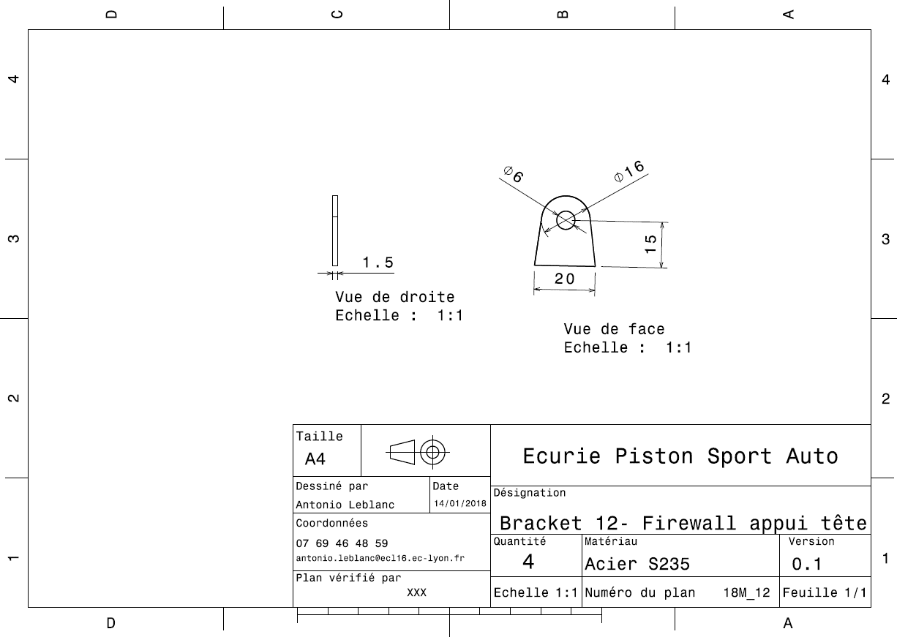
Drawing Part : | MS 01007

MS 01008
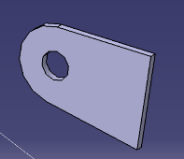
University | Ecole Centrale de Lyon |  |  |  |  | Back to BOM |  |  | Car # | 81 |  | Part Cost | $0.38
System | Miscellaneous, Finish & Assembly |  | FileLink1 | Drawing |  |  |  |  |  |  |  | Qty | 24
Assembly | Firewall |  | FileLink2 |  |  |  |  |  | FileLink1
Part | Firewall Middle, Bottom and Sides Bracket |  | FileLink3 |  |  |  |  |  | FileLink2 |  |  | Extended Cost | $9.10
P/N Base | MS 01008 |  |  |  |  |  |  |  | FileLink3
Suffix | AA
Details | Bracket for the Middle, Bottom and Side plates

ItemOrder | Material | Use | UnitCost | Size1 | Unit1 | Size2 | Unit2 | Area Name | Area | Length | Density | Quantity | Sub Total
10 | Steel, Alloy (kg) |  | $2.25 | 5.43E-03 | kg |  |  | Frontal area | 4.61E-04 | 0.0015 | 7850 | 1 | $0.01
 |  |  |  |  |  |  |  |  |  |  |  | Sub Total | $0.01

ItemOrder | Process | Use | UnitCost | Unit | Quantity | Multiplier | Mult. Val. | Sub Total
10 | Machining Setup, Install and remove |  | $1.30 | unit | 1 | 24 parts made from the same plate | 0.04 | $0.05
20 | Laser Cut |  | $0.01 | cm | 10.42 | Material - Steel | 3 | $0.31
 |  |  |  |  |  |  | Sub Total | $0.37

dMS 01008
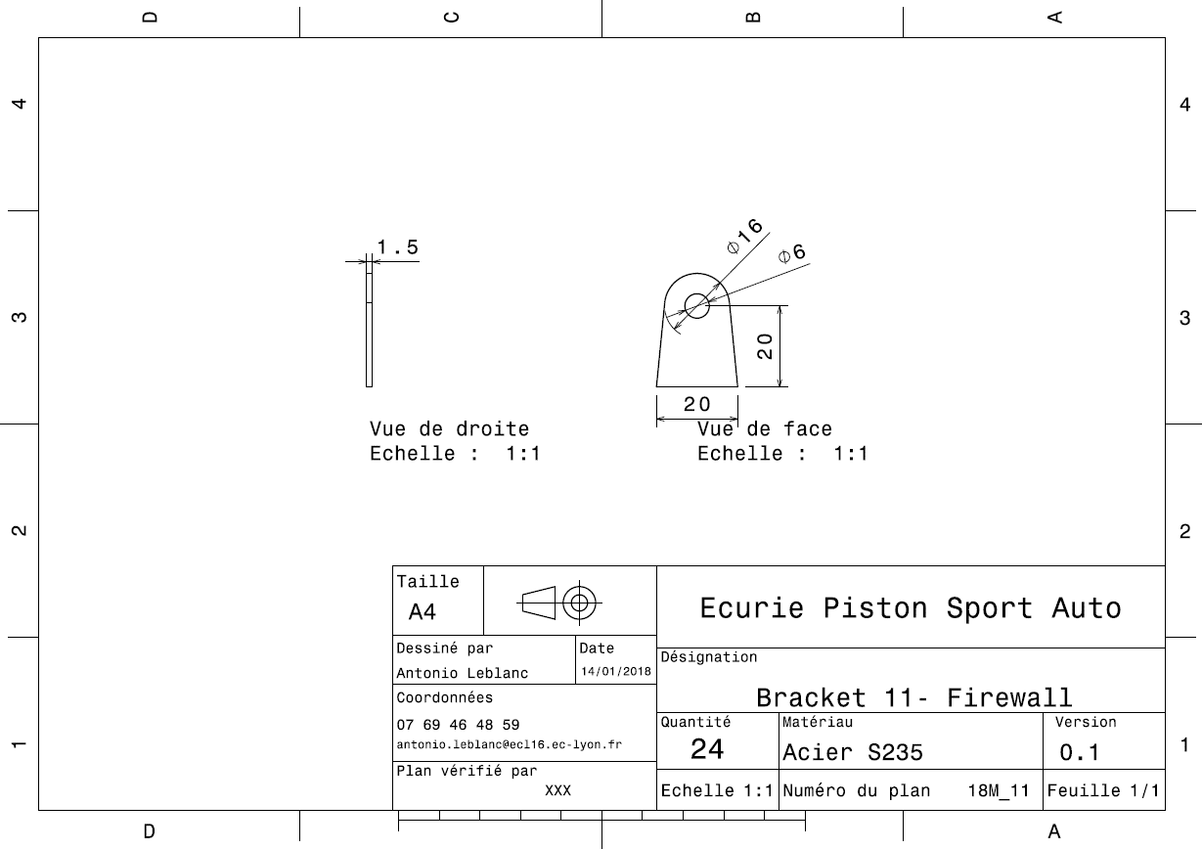
Drawing Part : | MS 01008

MS 04001
University | Ecole Centrale de Lyon |  |  |  |  | Back to BOM |  |  | Car # | 81 |  | Part Cost | $74.60
System | Miscellaneous, Finish & Assembly |  | FileLink1 |  |  |  |  |  |  |  |  | Qty | 1
Assembly | Driver's seat |  | FileLink2 |  |  |  |  |  | FileLink1
Part | Seat |  | FileLink3 |  |  |  |  |  | FileLink2 |  |  | Extended Cost | $74.60
P/N Base | MS 04001 |  |  |  |  |  |  |  | FileLink3
Suffix | AA
Details

ItemOrder | Material | Use | UnitCost | Size1 | Unit1 | Size2 | Unit2 | Area Name | Area | Length | Density | Quantity | Sub Total
10 | Glass Fiber, 1 Ply | Stock material for part | $100.00 | 0.090 | kg |  |  |  |  |  |  | 2 | $18.00
20 | Grommet, Elastomer | For harness holes | $0.05 |  | unit |  |  |  |  |  |  | 16 | $0.80
 |  |  |  |  |  |  |  |  |  |  |  | Sub Total | $18.80

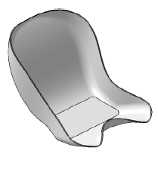
ItemOrder | Process | Use | UnitCost | Unit | Quantity | Multiplier | Mult. Val. | Sub Total
10 | Cut (scissors, knife) | Cut ply | $0.06 | cm | 190 | Repeat 2 times | 2 | $22.80
20 | Lamination, Manual |  | $35.00 | m^2 | 0.36 | Repeat 2 times | 2 | $25.20
30 | Resin application, Manual |  | $5.00 | m^2 | 0.36 | Repeat 2 times | 2 | $3.60
40 | Non-metallic cutting > 76,2 mm | Cutout seat border | $1.40 | cut | 1 |  |  | $1.40
50 | Hand Finish - Material Removal | Clean cuts | $0.20 | cm^3 | 1 |  |  | $0.20
60 | Drilled holes < 25,4 mm dia. | Cutout fixation holes | $0.35 | hole | 4 |  |  | $1.40
70 | Assemble, 1 kg, Loose | Insert gromets | $0.06 | Unit | 16 |  |  | $0.96
 |  |  |  |  |  |  | Sub Total | $54.60

ItemOrder | Tooling | Use | UnitCost | Unit | Quantity | PVF | FractionIncluded | Sub Total
10 | Lamination - Composite Tool | Lamination | $10,000.00 | m^2 | 0.36 | 3000 | 1 | $1.20
 |  |  |  |  |  |  | Sub Total | $1.20

MS 04002
University | Ecole Centrale de Lyon |  |  |  |  | Back to BOM |  |  | Car # | 81 |  | Part Cost | $1.32
System | Miscellaneous, Finish & Assembly |  | FileLink1 | Drawing |  |  |  |  |  |  |  | Qty | 2
Assembly | Driver's seat |  | FileLink2 |  |  |  |  |  | FileLink1
Part | Rear seat bracket |  | FileLink3 |  |  |  |  |  | FileLink2 |  |  | Extended Cost | $2.65
P/N Base | MS 04002 |  |  |  |  |  |  |  | FileLink3
Suffix | AA
Details

ItemOrder | Material | Use | UnitCost | Size1 | Unit1 | Size2 | Unit2 | Area Name | Area | Length | Density | Quantity | Sub Total
10 | Steel, Mild | Stock material for part | $2.25 | 6.10E-03 | kg |  |  |  |  |  |  | 1 | $0.01
 |  |  |  |  |  |  |  |  |  |  |  | Sub Total | $0.01

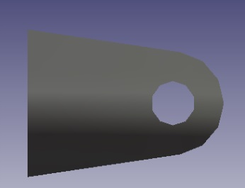
ItemOrder | Process | Use | UnitCost | Unit | Quantity | Multiplier | Mult. Val. | Sub Total
10 | Machining Setup, Install and remove | Setup for laser cutting | $1.30 | unit | 1 | 2 parts with one machine setup | 0.5 | $0.65
20 | Laser Cut | Cutout shape | $0.01 | cm | 22 | Material - Steel | 3 | $0.66
 |  |  |  |  |  |  | Sub Total | $1.31

dMS 04002
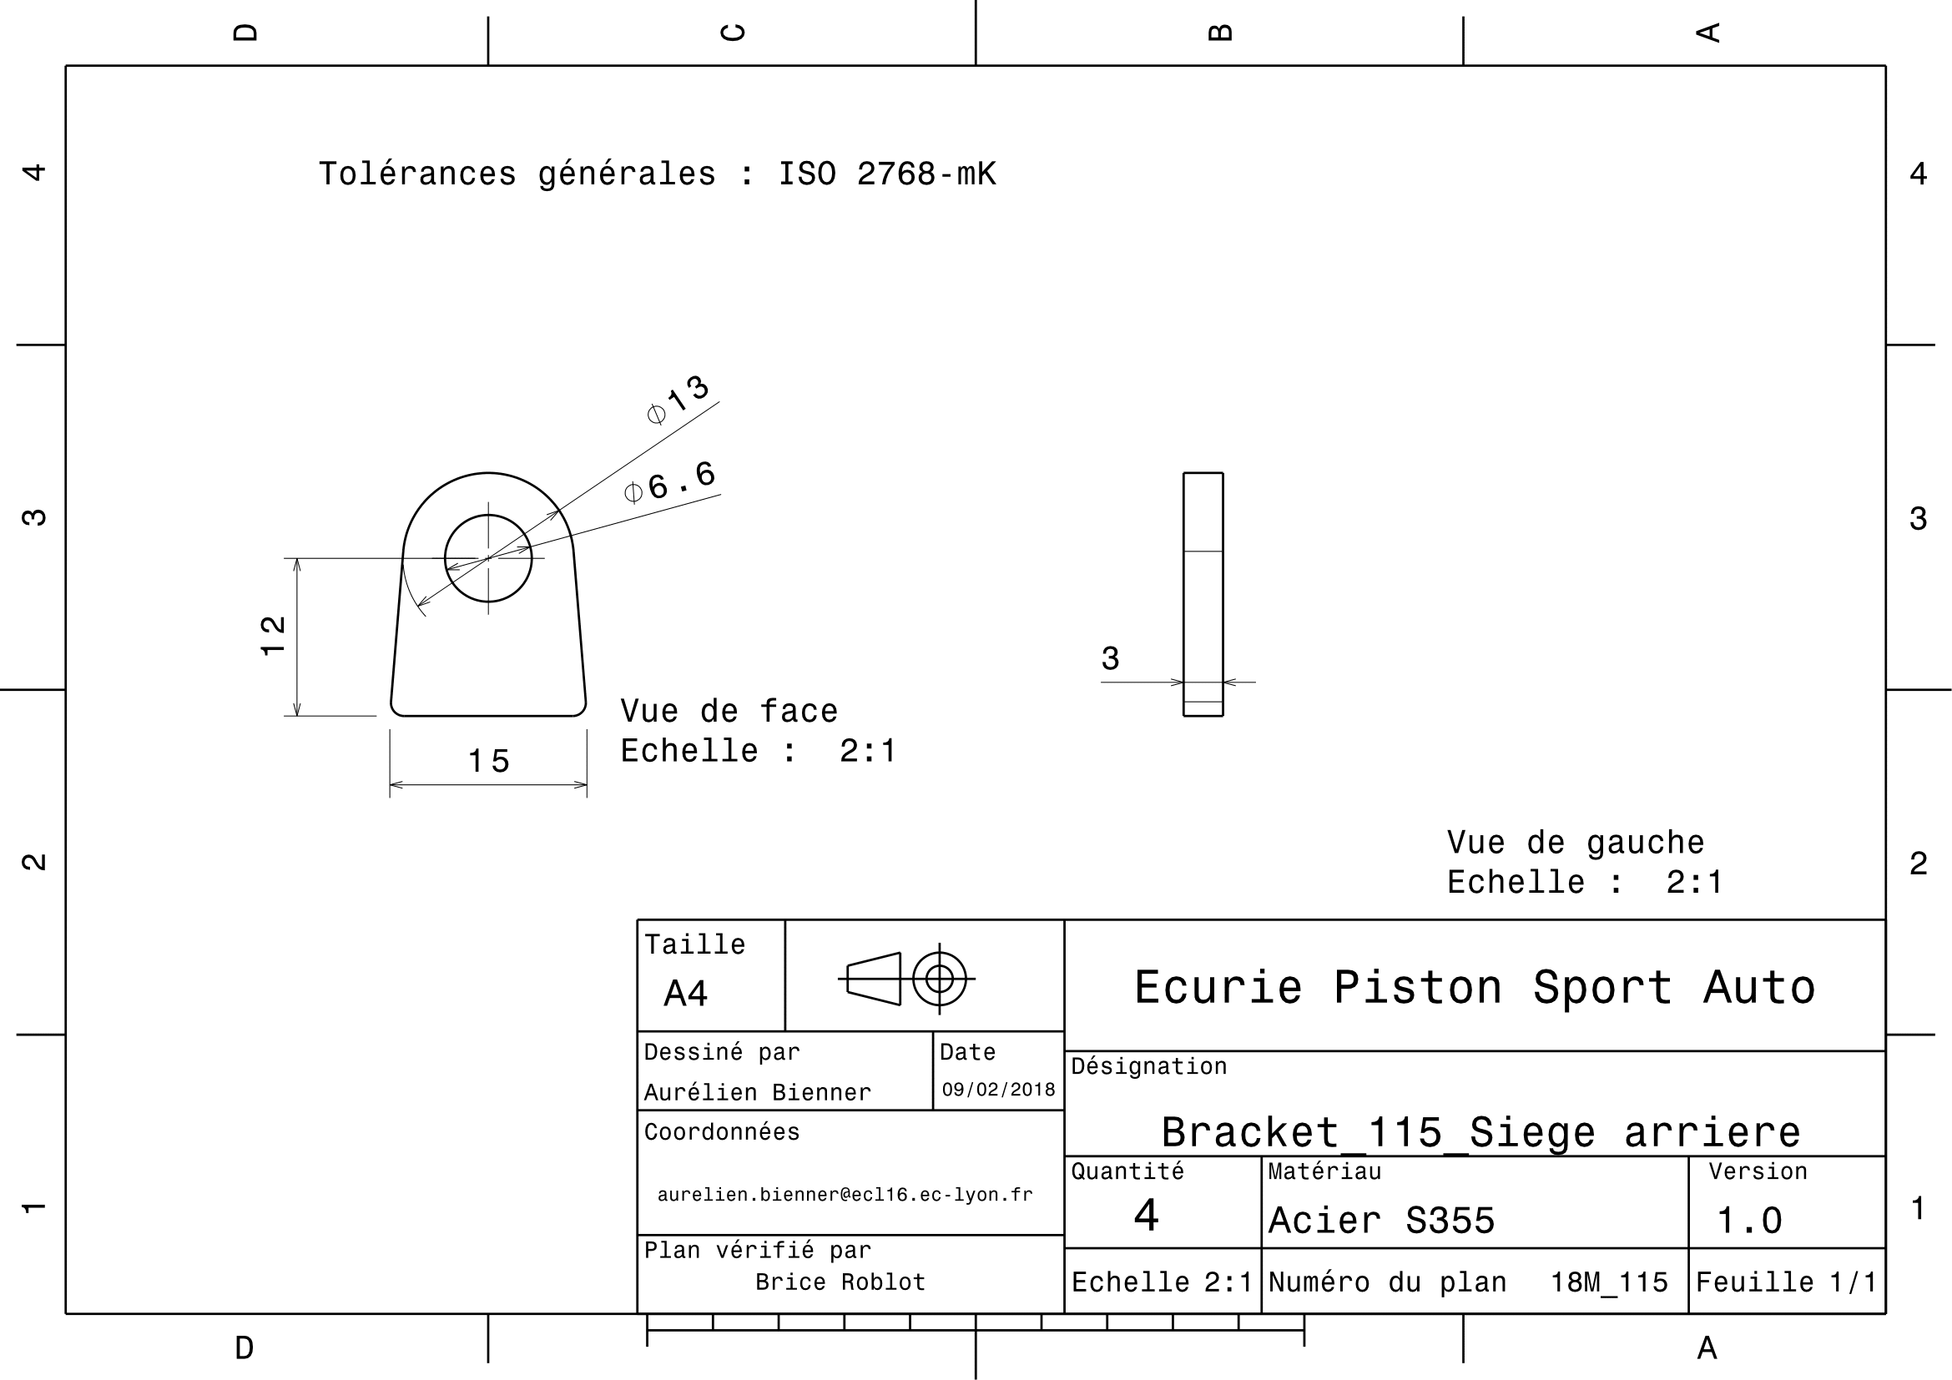
Drawing Part : | MS 04002

MS 04003
University | Ecole Centrale de Lyon |  |  |  |  | Back to BOM |  |  | Car # | 81 |  | Part Cost | $1.19
System | Miscellaneous, Finish & Assembly |  | FileLink1 | Drawing |  |  |  |  |  |  |  | Qty | 2
Assembly | Driver's seat |  | FileLink2 |  |  |  |  |  | FileLink1
Part | Front seat bracket |  | FileLink3 |  |  |  |  |  | FileLink2 |  |  | Extended Cost | $2.37
P/N Base | MS 04003 |  |  |  |  |  |  |  | FileLink3
Suffix | AA
Details

ItemOrder | Material | Use | UnitCost | Size1 | Unit1 | Size2 | Unit2 | Area Name | Area | Length | Density | Quantity | Sub Total
10 | Steel, Mild | Stock material for part | $2.25 | 8.50E-03 | kg |  |  |  |  |  |  | 1 | $0.02
 |  |  |  |  |  |  |  |  |  |  |  | Sub Total | $0.02
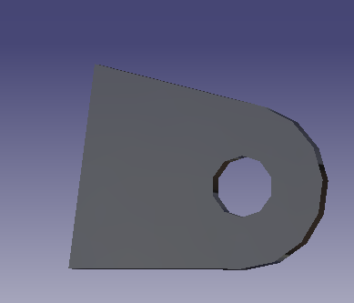

ItemOrder | Process | Use | UnitCost | Unit | Quantity | Multiplier | Mult. Val. | Sub Total
10 | Machining Setup, Install and remove | Setup for laser cutting | $1.30 | unit | 1 | 2 parts with one machine setup | 0.5 | $0.65
20 | Laser Cut | Cutout shape | $0.01 | cm | 17 | Material - Steel | 3 | $0.52
 |  |  |  |  |  |  | Sub Total | $1.17

dMS 04003
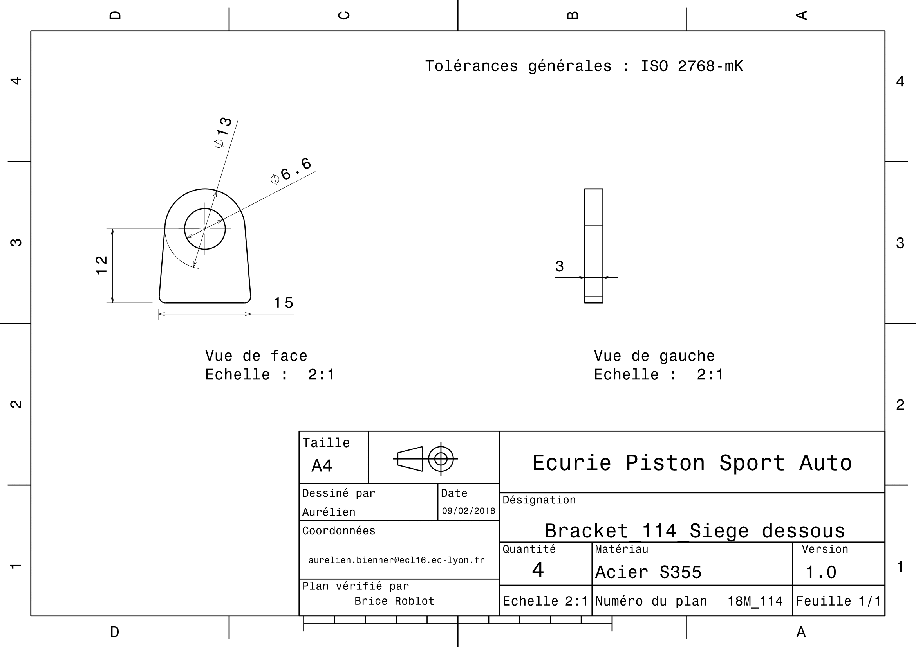
Drawing Part : | MS 04003

MS 05001
University | Ecole Centrale de Lyon |  |  |  |  | Back to BOM |  |  | Car # | 81 |  | Part Cost | $1.25
System | Miscellaneous, Finish & Assembly |  | FileLink1 | Drawing |  |  |  |  |  |  |  | Qty | 2
Assembly | Harness |  | FileLink2 |  |  |  |  |  | FileLink1
Part | Harness bracket |  | FileLink3 |  |  |  |  |  | FileLink2 |  |  | Extended Cost | $2.50
P/N Base | MS 05001 |  |  |  |  |  |  |  | FileLink3
Suffix | AA
Details | Same plan as in 2017

ItemOrder | Material | Use | UnitCost | Size1 | Unit1 | Size2 | Unit2 | Area Name | Area | Length | Density | Quantity | Sub Total
10 | Steel, Mild | Stock material for part | $2.25 | 0.041 | kg |  |  |  |  |  | 7,850 | 1.00 | $0.09
 |  |  |  |  |  |  |  |  |  |  |  | Sub Total | $0.09
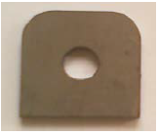
ItemOrder | Process | Use | UnitCost | Unit | Quantity | Multiplier | Mult. Val. | Sub Total
10 | Machining Setup, Install and Remove | Setup for laser cutting | $1.30 | unit | 1 | 2 parts with one machine setup | 0.5 | $0.65
20 | Laser Cut | Cutout shape | $0.01 | cm | 17 | Material - Steel | 3 | $0.51
 |  |  |  |  |  |  | Sub Total | $1.16

dMS 05001
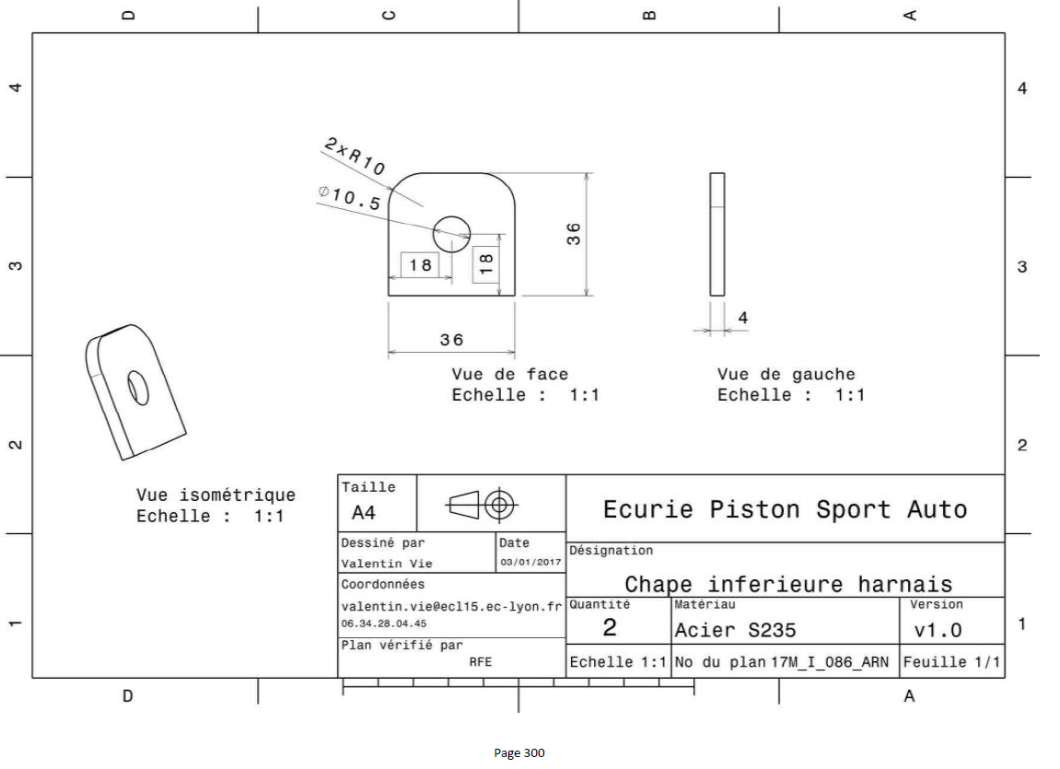
Drawing part : | MS 05001

